Sheet1 - Table 1
Asset Description | Year | Purchase | Replacement | Fair Market | Notes regarding Ownership
 | Acquired | Price | Value | Value
Category
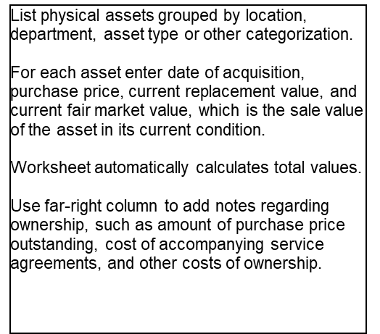
Item Description | 2019-11-05 | $500 | $700 | $700
Item Description |  | $800 | $700 | $899
Item Description |  | $900 | $900 | $96
Item Description

Category
Item Description |  |  | $90 | $90
Item Description
Item Description |  |  | $80 | $50
Item Description |  |  |  | $89

Category
Item Description
Item Description |  | $90 | $98 | $90
Item Description
Item Description |  | $90

TOTAL |  | $2,380 | $2,568 | $2,014 |  | TOTAL | 0

